Sheet1
Floc Box Unit Selector and Set-Up Tool_Version 1.01

 |  |  |  | Catchment Cv (extract from IECA Best Practice Erosion and Sediment Control Manual - Draft Appendix B: Sediment basin design and operation)

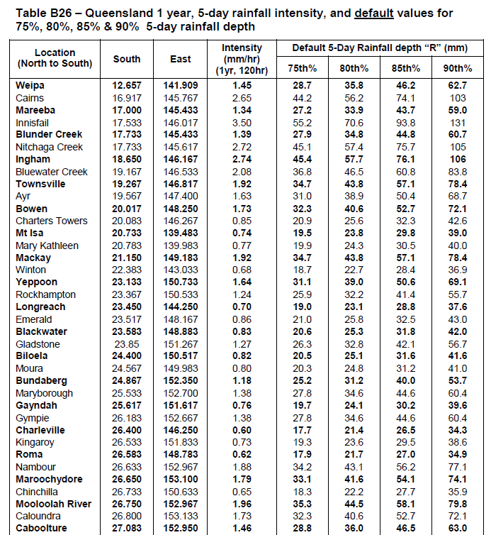
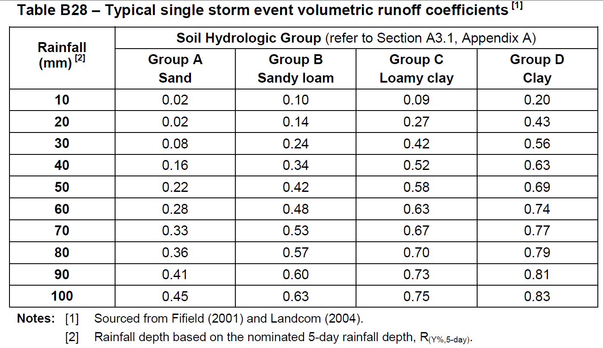
User Input to yellow cells only
Green cells automatically calculated

1. Select Treatment Product to be used in Floc Box unit | Turbiclear
2. Enter Dose Rate (ml/L) | 0.1
3. Enter Catchment Area (ha) | 1.5
4. Enter Estimate of Catchment Runoff Coefficient (Cv) | 0.9

*Floc Box Selection Criteria | 75L | 200L | 400L
A. Required Catch Tray Size < 200% of Factory Standard | no | yes | yes
B. Minimum cummulative rainfall capacity of unit = 200mm | no | no | yes
*Select smallest Floc Box with both criteria satisfied. If largest unit not able to satisfy both criteria consider using duplicate units and reduce the Catchment Area in Step 3 accordingly (e.g. half the catchment area if using two same sized duplicate units)

5. Selected Floc Box unit | 400L
6. Cummulative rainfall capacity of selected unit (mm) | 213

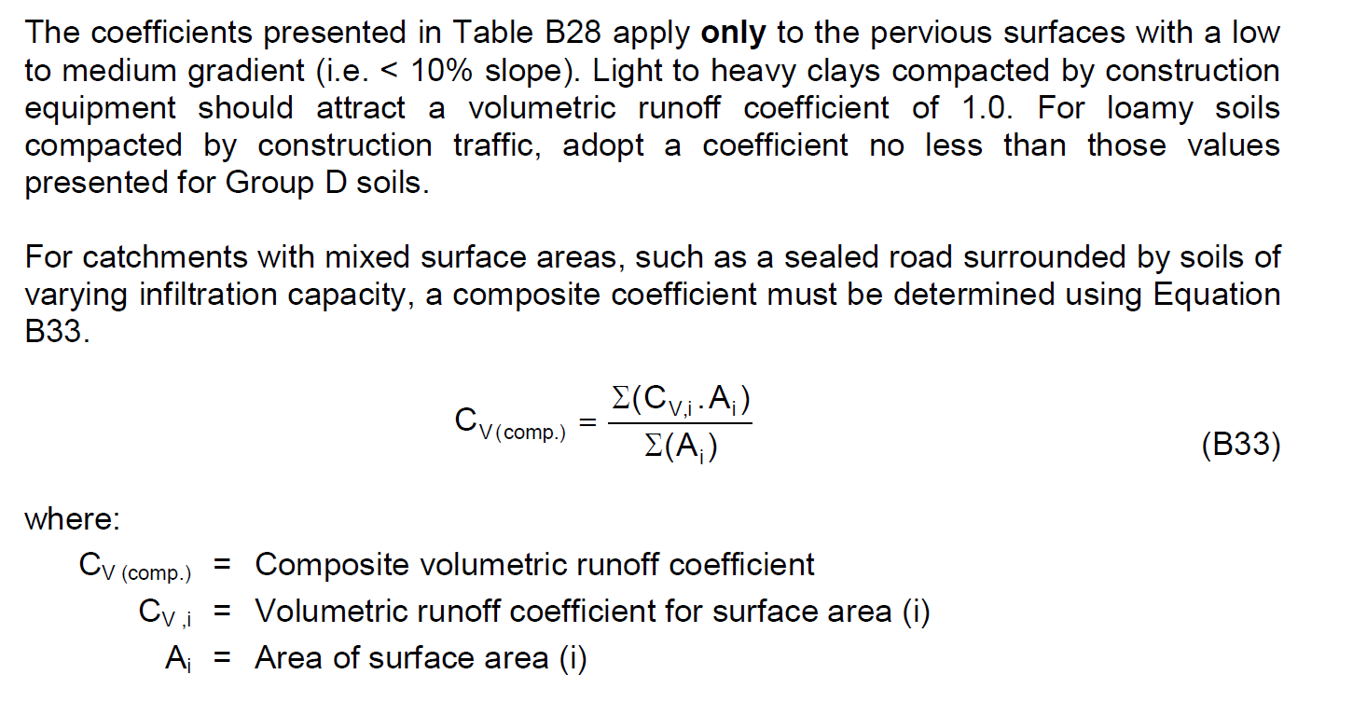
Floc Box Unit Set-Up and Maintenance Instructions:
1. Floc Box Unit | 400L
2. Set catch tray area: | 1.85 | sq.m
3. If during operation the visable marker on the base of displacement bucket is aligned with | 118 | litres on the floc box gauge the displacement bucket is full. Immediately *re-set the unit.
4. If during operation the visable marker on the base of displacement bucket is below | 268 | litres on the floc box gauge the displacement bucket has less than 100mm rainfall event capacity remaining. Recommend *re-set the unit as soon as possible.
* re-set requires rainfall displacement bucket to be emptied and supply of the treatment product replenished to FULL on the supply gauge

Floc Box Specifications used in calculations | 75L | 200L | 400L
Catch Tray Area (factory standard) - sq.m | 0.49 | 1.10 | 2.25
Coagulant Storage Chamber - Litres | 88 | 215 | 438
Rain 'Displacement' Bucket Storage - Litres | 69 | 182 | 394
Displacement Bucket Depth - m | 0.4 | 0.5 | 0.58
Gauge height increment - mm | 45.5 | 46.5 | 53.0
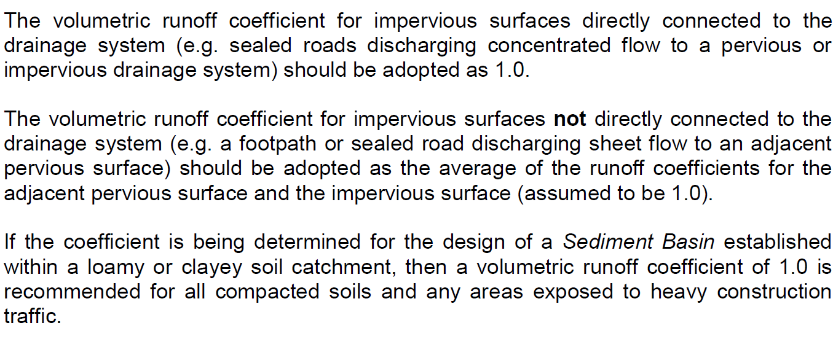
Gauge volume increment - Litres | 10 | 20 | 40
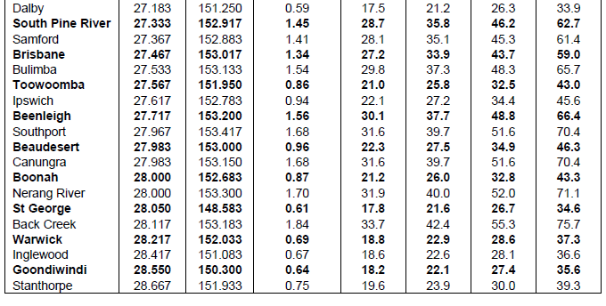
Floc Box Calculations | 75L | 200L | 400L
Set Catch Tray Area - sq.m | 1.85 | 1.85 | 1.85
% of Factory Standard Catch Tray Area | 377% | 168% | 82%
Selected Treatment Product's specific gravity | 1.37 | 1.37 | 1.37
Max cummulative rainfall before system re-set required - mm | 37 | 98 | 213
Residual Coagulant Depth when displacement bucket full - mm | 108 | 135 | 157 |  |  |  |  | 0.84
Level of gauge when displacement bucket full - Litres | 24 | 58 | 118
Level on gauge when displacement bucket still has 100mm rainfall capture capacity - Litres | N.A | N.A | 268

 |  |  |  |  | Calculate catchment Cv (Worked Example):
 |  |  |  |  | Location: | Caboolture
 |  |  |  |  | 3 ha disturbance area with clay based soils and 60% heavy compaction
 |  |  |  |  | R(80%,5-day) = | 36mm | (Table B26 - for this example 80th% design rainfall depth)
 |  |  |  |  | Cv(comp) = | ((0.6x3x1)+(0.4x3x0.6))/3 = 0.84
