Porta Floc
Porta Floc Unit Selector and Set-Up Tool

User Input to yellow cells only
Green cells automatically calculated |  |  | Catchment Cv (extract from IECA Best Practice Erosion and Sediment Control Manual - Draft Appendix B: Sediment basin design and operation)
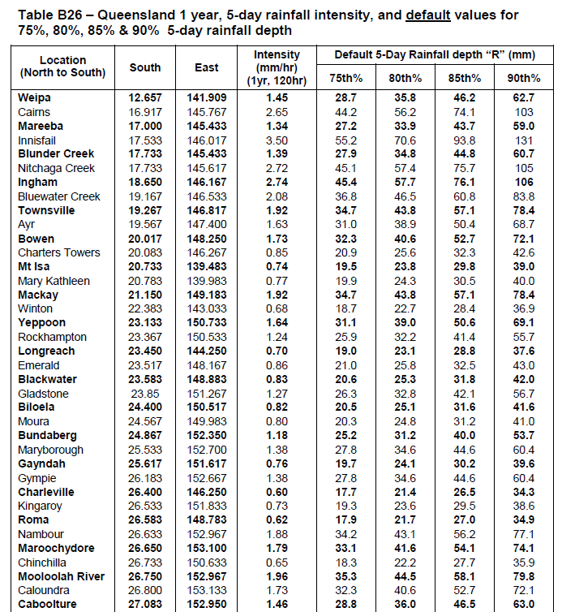
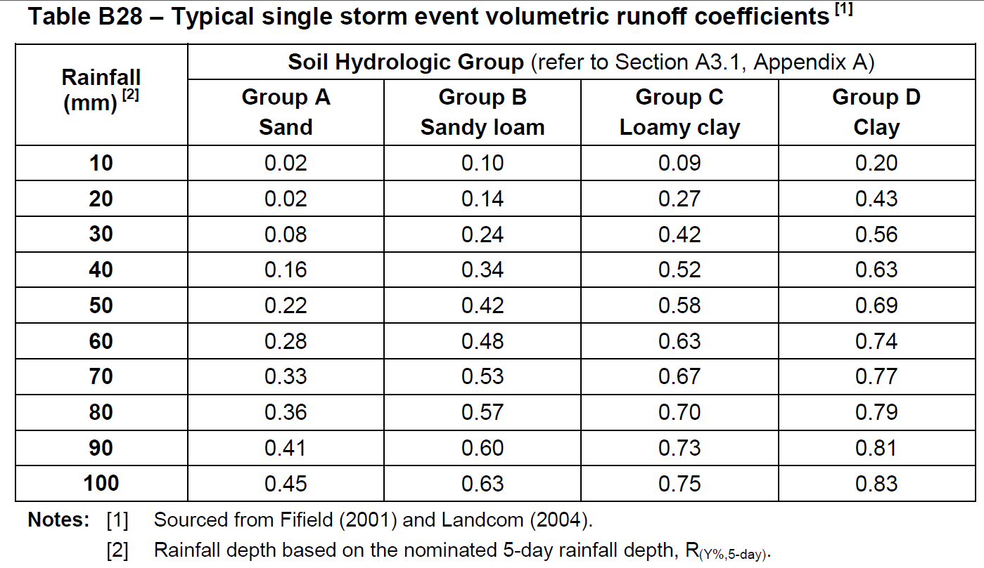
1. Select Treatment Product to be used in Porta Floc unit | Turbiclear Extra
2. Enter Dose Rate (mL/L) | 0.1
3. Enter Catchment Area (ha) | 1.5
4. Enter Estimate of Catchment Runoff Coefficient (Cv) | 0.9

*Porta Floc Selection Criteria | 160L | 550L
A. Required Catch Tray Size < 200% of Factory Standard | no | yes
B. Minimum cumulative rainfall capacity of unit = 200mm | no | yes
*Select smallest Porta Floc with both criteria satisfied. If largest unit not able to satisfy both criteria consider using duplicate units and reduce the Catchment Area in Step 3 accordingly (e.g. half the catchment area if using two same sized duplicate units)

Recommended Porta Floc Unit & Set Up
1. Porta Floc unit | 550L
2. Set catch tray area | 1.62 | sq.m
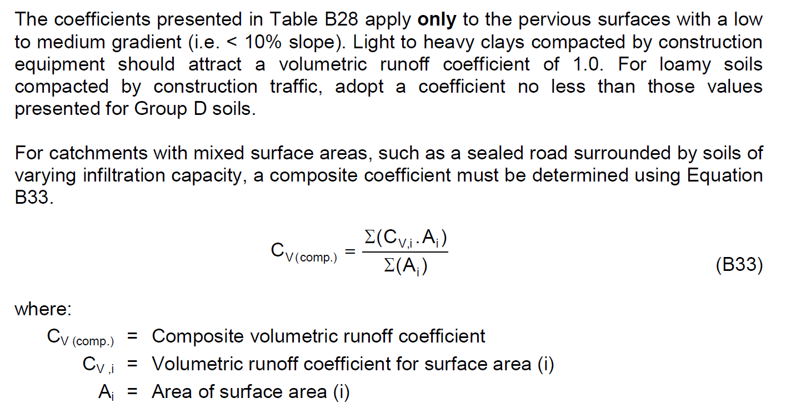
3. Cumulative rainfall capacity of selected unit | 340 | mm

Specifications Used in Calculations | 160L Unit | 550L Unit
Catch Tray Area (factory standard) - sq.m | 0.25 | 1.48
Total displacement volume - Litres | 160 | 550

Porta Floc Calculations | 160L Unit | 550L Unit
Set Catch Tray Area - sq.m | 1.62 | 1.62
% of factory standard catch tray area | 648% | 109%
Selected treatment product's specific gravity | 1.20 | 1.20
Maximum cumulative rainfall before system reset required - mm | 99 | 340

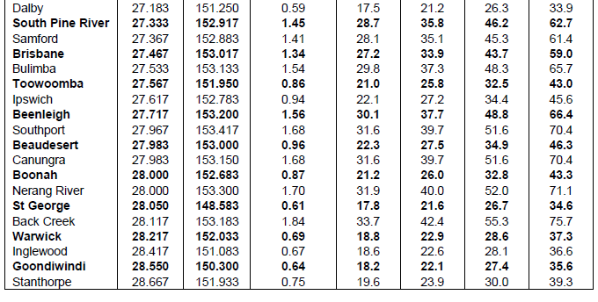
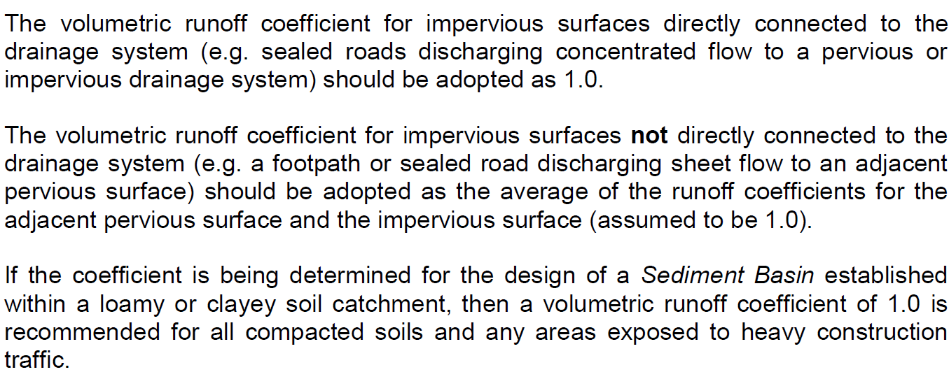

 |  |  |  | Calculate catchment Cv (Worked Example):
 |  |  |  | Location: | Caboolture
 |  |  |  | 3 ha disturbance area with clay based soils and 60% heavy compaction
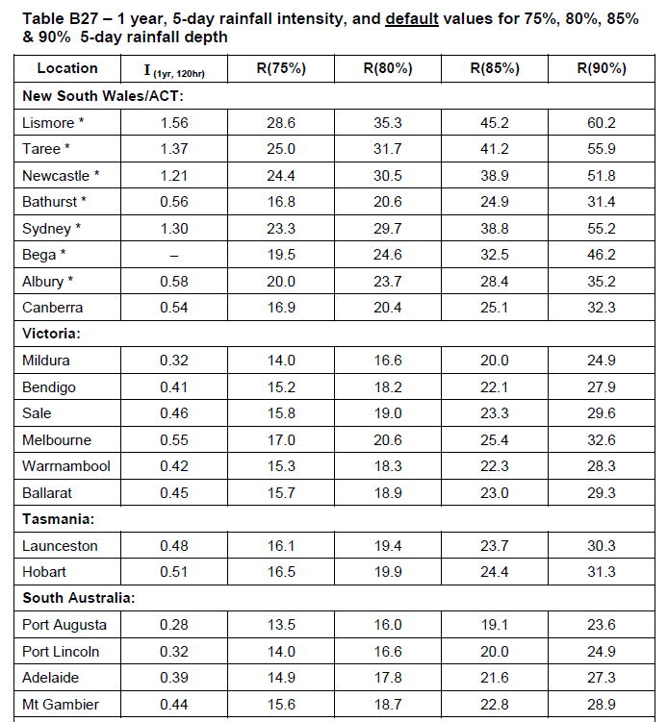
 |  |  |  | R(80%,5-day) = | 36mm | (Table B26 - for this example 80th% design rainfall depth)
 |  |  |  | Cv(comp) = | ((0.6x3x1)+(0.4x3x0.6))/3 = 0.84

